Table 3-1 - inputs
 | Assumptions |  |  | CE Ratios |  |  | Experts
Utility assumption | Base case (a) | Low CE value (b) | High CE value (b) | Base case (c) | Low CE value (d) | High CE value (d) | Group 1 (e) | Group 2 (e)
Utility weight - With peanut sensitivity (Age 0-11) | 0.840 | 0.819 | 0.861 | $88,000 | $83,546 | $91,924 | 0.840 | 0.840
Utility weight - With peanut sensitivity (Age 12+) | 0.910 | 0.887 | 0.933 | $88,000 | $64,223 | $137,411 | 0.910 | 0.910
Disutility - Anaphylaxis associated with therapy use | -0.090 | -0.020 | -0.110 | $88,000 | $54,303 | $108,606 | 0.000 | -0.090
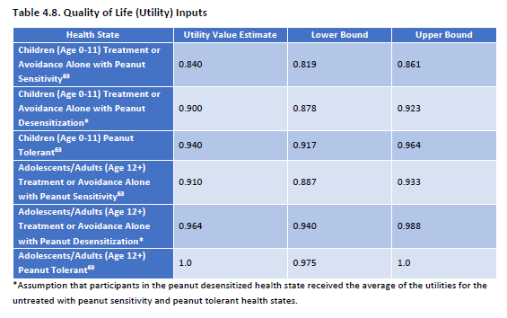
Utility weight - With peanut sensitivity (Age 0-11) - plus ongoing fear | 0.840 | 0.819 | 0.861 | $88,000 | $83,546 | $91,924 | 0.840 | 0.750 |  |  |  |  | Shaker M, Greenhawt M. Estimation of Health and Economic Benefits of Commercial Peanut Immunotherapy Products: A Cost-effectiveness Analysis. JAMA Netw Open. 2019 May 3;2(5):e193242. doi: 10.1001/jamanetworkopen.2019.3242. PMID: 31050778; PMCID: PMC6503512.
Utility weight - With peanut sensitivity (Age 12+) - plus ongoing fear | 0.910 | 0.887 | 0.933 | $88,000 | $64,223 | $137,411 | 0.910 | 0.820 | Derivation of anaphylaxis disutility |  |  |  |  | Disutility for living with fear of anaphylaxis | -0.09
 |  |  |  |  |  |  |  |  |  |  |  |  |  | See main text.
 |  |  |  |  |  |  |  |  | Base (a) | Low (b) | High (b)
 |  |  |  |  |  |  |  |  | $255,431 | $157,620 | $315,242

 |  |  |  |  |  |  |  |  | Normalized to base case CE ratio of |  |  | $88,000
 |  |  |  |  |  |  |  |  | $88,000 | $54,303 | $108,606
 |  |  |  |  |  |  |  |  | (a) | From Shaker (2019), pubmed 31050778, Table 2, row 3
 |  |  |  |  |  |  |  |  | (b) | From Shaker (2019), pubmed 31050778, Fig 3B, 5th entry

 |  |  |  |  |  |  |  |  | Disutlities (a)
 |  |  |  |  |  |  |  |  | -0.09 | -0.02 | -0.11
 |  |  |  |  |  |  |  |  | (a) | From Shaker (2019), pubmed 31050778, Table 1, "Negative health…"
 |  |  |  |  |  |  |  |  | (b) | From Shaker (2019), pubmed 31050778, Fig 3B, 5th entry

 |  |  |  |  |  |  |  |  | Expert Group
 |  |  |  |  |  |  |  |  | Group 1 | 0
 |  |  |  |  |  |  |  |  | Group 2 | -0.09

 |  |  |  |  |  |  |  |  |  |  |  |  | FIGURE 3B - See 5th entry from top (Health state utility impairment of anaphylaxis)

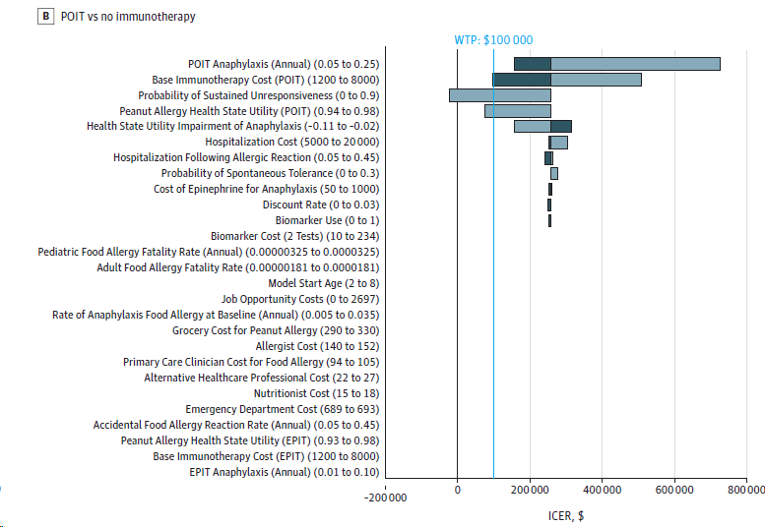

Notes | (a-b) | Weight - with peanut sensitivity - Table 4.8, rows 1 (age 0-11) and 4 (age 12+)
 |  | Weight - with peanut sensitivity plus anaphylactic events - see Columns V-X
 |  | Weight - with peanut sensitivity, plus ongong fear - Table 4.8, rows 1 (age 0-11) and 4 (age 12+)

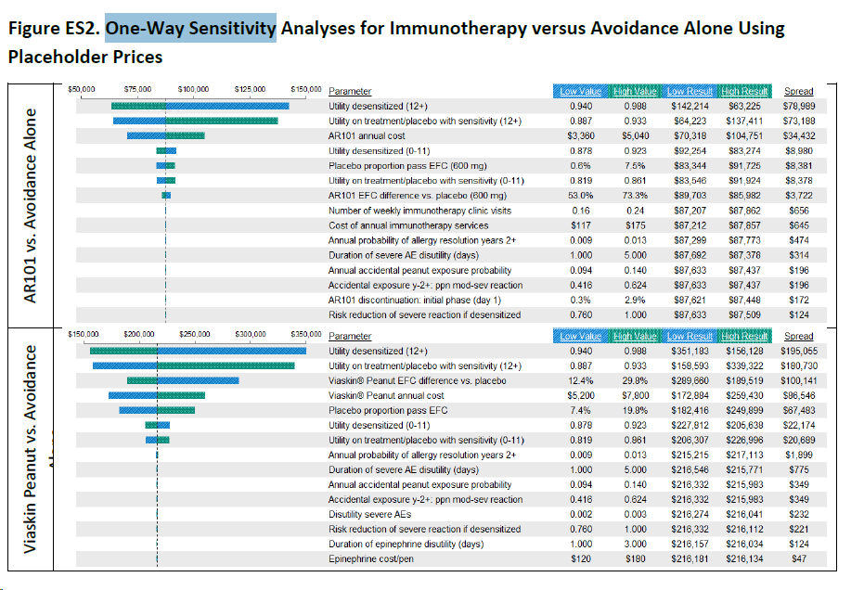
 | (c) | Table 4.13

 | (d) | Weight - with peanut sensitivity - Fig ES2, 6th analysis (age 0-11) and 2nd analysis (age 12+)
 |  | Weight - with peanut sensitivity plus anaphylactic events - see Columns V-X
 |  | Weight - with peanut sensitivity - Fig ES2, 6th analysis (age 0-11) and 2nd analysis (age 12+)

 | (e ) | Weight - with peanut sensitivity - Expert groups adopted same assumptions as ICER.

Figures
 | ICER |  | Expert Group 1 |  | Expert Group 2 |  | 100K Benchmark |  | 150K Benchmark |  | ICER |  | Expert Group 1 |  | Expert Group 2 |  | 100K Benchmark |  | 150K Benchmark
$- | 0.5 | $- | 0.5 | $- | 0.5 | 100 | 0 | 150 | 0 | $- | 0.5 | $- | 0.5 | $- | 0.5 | 100 | 0 | 150 | 0
 |  |  |  |  |  | 100 | 5 | 150 | 5 |  |  |  |  |  |  | 100 | 5 | 150 | 5
$88 | 2.5 | $88 | 2.5 | $88 | 2.5 |  |  |  |  | $88 | 2.5 | $88 | 2.5 | $88 | 2.5
$88 | 2.25 | $88 | 2.25 | $88 | 2.25 |  |  |  |  | $88 | 2.25 | $88 | 2.25 | $88 | 2.25
$88 | 2 | $42 | 2 | $93 | 2 |  |  |  |  | $88 | 2 | $42 | 2 | $93 | 2
$88 | 1.75 | $88 | 1.75 | $65 | 1.75 |  |  |  |  | $88 | 1.75 | $88 | 1.75 | $65 | 1.75
$88 | 1.5 | $97 | 1.5 | $- | 1.5 |  |  |  |  | $88 | 1.5 | $97 | 1.5 | $- | 1.5
Tx duration + responsiveness after 1 year
 | #REF!
 | ICER | Expert Group 1 | Expert Group 2 | 100K Benchmark | 150K Benchmark | Assumption Group
Adverse event costs and Quality of life burden | #REF! | #REF! | #REF! |  |  | 0.5

Impact after therapy ends
Utility weight - With peanut sensitivity (Age 0-11) | $88 | $88 | $88 |  |  | 2.5
Utility weight - With peanut sensitivity (Age 12+) | $88 | $88 | $88 |  |  | 2.25
Disutility - Anaphylaxis associated with therapy use | $88 | $42 | $93 |  |  | 2
Utility weight - With peanut sensitivity (Age 0-11) - plus ongoing fear | $88 | $88 | $65 |  |  | 1.75
Wt 1
Utility weight - With peanut sensitivity (Age 12+) - plus ongoing fear | $88 | $97 | $- |  |  | 1.5
Utility weights
Impact after therapy ends

Tx duration + responsiveness after 1 year
Adverse event cost + quality of life burden
 |  |  |  | 100 |  | 0
 |  |  |  | 100 |  | 5

 |  |  |  |  | 150 | 0
 |  |  |  |  | 150 | 5

Figures - main
 | ICER |  | Expert Group 1 |  | Expert Group 2 |  | 100K Benchmark |  | 150K Benchmark |  | ICER |  | Expert Group 1 |  | Expert Group 2 |  | 100K Benchmark |  | 150K Benchmark
$- | 0.5 | $- | 0.5 | $- | 0.5 | 100 | 0 | 150 | 0 | $- | 0.5 | $- | 0.5 | $- | 0.5 | 100 | 0 | 150 | 0
 |  |  |  |  |  | 100 | 1 | 150 | 1 |  |  |  |  |  |  | 100 | 1 | 150 | 1
$88 | 0.5 | $88 | 0.5 | $88 | 0.5 |  |  |  |  | $88 | 0.5 | $88 | 0.5 | $88 | 0.5
$88 | 0.5 | $88 | 0.5 | $88 | 0.5 |  |  |  |  | $88 | 0.5 | $88 | 0.5 | $88 | 0.5
$88 | 0.5 | $42 | 0.5 | $93 | 0.5 |  |  |  |  | $88 | 0.5 | $42 | 0.5 | $93 | 0.5
$88 | 0.5 | $88 | 0.5 | $65 | 0.5 |  |  |  |  | $88 | 0.5 | $88 | 0.5 | $65 | 0.5
$88 | 0.5 | $97 | 0.5 | $- | 0.5 |  |  |  |  | $88 | 0.5 | $97 | 0.5 | $- | 0.5
 | #REF!
 | ICER | Expert Group 1 | Expert Group 2 | 100K Benchmark | 150K Benchmark | Assumption Group
Adverse event costs and Quality of life burden | #REF! | #REF! | #REF! |  |  | 0.5

Utility weight - With peanut sensitivity (Age 0-11) | $88 | $88 | $88 |  |  | 0.5
Utility weight - With peanut sensitivity (Age 12+) | $88 | $88 | $88 |  |  | 0.5
Disutility - Anaphylaxis associated with therapy use | $88 | $42 | $93 |  |  | 0.5
Utility weight - With peanut sensitivity (Age 0-11) - plus ongoing fear | $88 | $88 | $65 |  |  | 0.5
Utility weight - With peanut sensitivity (Age 12+) - plus ongoing fear | $88 | $97 | $- |  |  | 0.5

Impact after therapy ends

Tx duration + responsiveness after 1 year

 |  |  |  | 100 |  | 0
 |  |  |  | 100 |  | 1

 |  |  |  |  | 150 | 0
 |  |  |  |  | 150 | 1

